Owners
FINAL REPORT HERE
Task | Owner | Due Date | Status | Comment
1. Introduction | mk4427 | Sat, 12/18, 1pm EST | To do
1.1. Abstract |  | Sat, 12/18, 1pm EST | To do
1.2. Project Scope and Problem Statement |  | Sat, 12/18, 1pm EST | To do
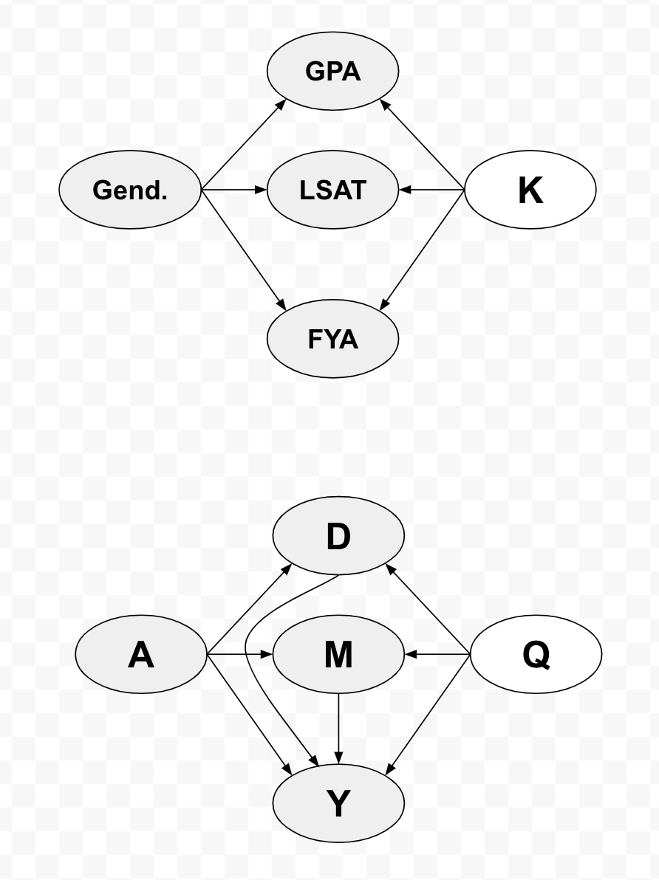
1.3. Research Framework and Technical Infrastructure | ovj2101 | Sat, 12/18, 1pm EST | Done
2. Literature Survey | done | Sat, 12/18, 1pm EST | Done
2.1. Literature Summary |  | Sat, 12/18, 1pm EST | Done
3. Data Used | ovj2101 | Sat, 12/18, 1pm EST | Done
3.1. Causal Model and Synthetic Dataset |  | Sat, 12/18, 1pm EST | Done
3.1.2. Data Generating Process (DGP) |  | Sat, 12/18, 1pm EST | Done
3.2. Law School Dataset |  | Sat, 12/18, 1pm EST | Done
3.2.1. Exploratory Data Analysis and Visualization |  | Sat, 12/18, 1pm EST | Done | I will just take the important elements from report 1
4. Methods | jg4281 | Sat, 12/18, 1pm EST | Done
4.1. Models |  | Sat, 12/18, 1pm EST | Done
4.1. Evaluation Metrics |  | Sat, 12/18, 1pm EST | Done
5. Results | yw3576 | Sat, 12/18, 1pm EST | Done | Lily, in report #2, we said we would try latent-variable inference for the synthetic dataset. Do you think this is feasible, or is there not enough time? I did some quick thinking (see diagram, also to the right --->), and the causal graphs are pretty similar.
6. Conclusion | xg2353 | Sat, 12/18, 1pm EST | To do
7. Contributions | ovj2101 | Sat, 12/18, 1pm EST | Done
8. References | mk4427 | Sat, 12/18, 1pm EST | To do

Final review and submission | xg2353 | Sat, 12/18, 10pm EST |  | Alice, would you be willing to submit this one? I have a commitment on Saturday, and I won't be by the computer to submit. Feel free to delegate to someone else!

